TEAM
BEST PLACE TO LIVE IN USA

Authors:
Karthick Raj Manickam
Surya Divyasree Kunduri
Urvi Ravindra Dhomne
 | Click the boxes for Navigation!!

Dashboard
BEST PLACE TO LIVE IN USA

POPULATION

98 58 96
SUNSHINE DAYS
128 156 118
PRECIPITATION DAYS
23 5 8
SNOWFALL DAYS

Monthly Income
 | Total
BOSTON | $133,619
SEATTLE | $172,500
WASHINGTON DC | $154,595
HEALTH
INSURANCE
Population
 | Total
BOSTON | 665,945
SEATTLE | 734,603
WASHINGTON DC | 670,587
Gas Prices
 | Total
BOSTON | $3.55
SEATTLE | $5.14
WASHINGTON DC | $3.47

With lower crime rates compared to other cities, it offers a safer environment. Affordable housing, reflected in its lower average monthly rent, ensures a more manageable cost of living. Despite its moderate weather conditions, it boasts a comfortable lifestyle. Additionally, while its mean income is not the highest, it still provides a solid economic foundation. These qualities, combined with its charming community feel and cultural offerings, make Ann Arbor an ideal destination for those seeking a balanced and fulfilling living experience.
MEAN
INCOME

Crime Rate
 | Robbery | Property Crime | Theft
BOSTON | 1039 | 0 | 10590
SEATTLE | 1339 | 34333 | 23478
WASHINGTON DC | 2359 | 29965 | 25827
Monthly Rent
 | 2 Bedroom | 1 Bedroom | Average Monthly Rent
BOSTON | 3480 | 2860 | 1515
SEATTLE | 2500 | 1890 | 2000
WASHINGTON DC | 3130 | 2280 | 2234
CRIME
RATE

MONTHLY
RENT

WEATHER

Weather
 | Weather

CITIES | Sunshine Days | Precipitation Days | Snowfall Days
BOSTON | 98 | 128 | 23
DALLAS | 135 | 82 | 1
Average Sunshine Days Annually
SEATTLE | 58 | 156 | 5
ANN ARBOR | 75 | 136 | 38
WASHINGTON DC | 96 | 118 | 8
LOS ANGELES | 147 | 34 | 0

Average Precipitation Days Annually
Average Snowfall Days Annually

Conclusion
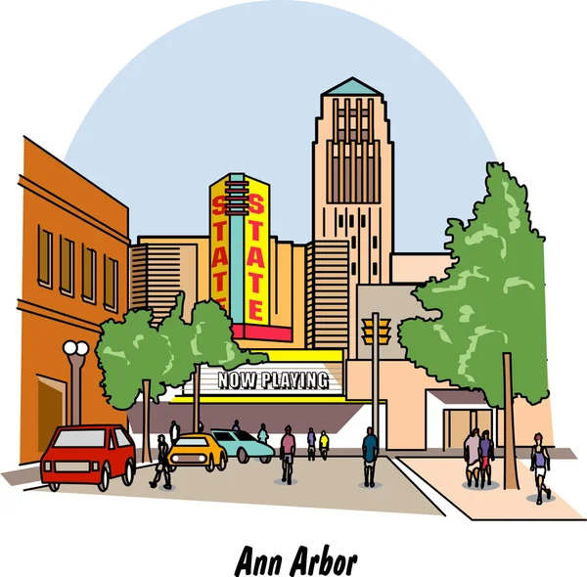

Welcome to Ann Arbor, Michigan Ann Arbor shines as the best city to live in due to its blend of factors,With lower crime rates compared to other cities, it offers a safer environment. Affordable housing, reflected in its lower average monthly rent, ensures a more manageable cost of living. Despite its moderate weather conditions, it boasts a comfortable lifestyle. Additionally, while its mean income is not the highest, it still provides a solid economic foundation. These qualities, combined with its charming community feel and cultural offerings, make Ann Arbor an ideal destination for those seeking a balanced and fulfilling living experience.

